Data Set
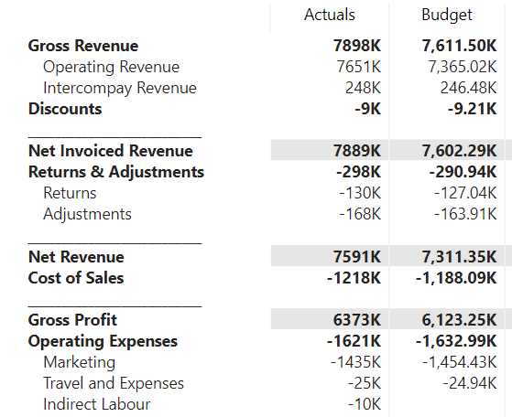
Head 1 | Head 2 | US Office | UK Office | India Office | INR2USD | UK2USD | USD2USD | Title Color | Title Background | Number Color | Number Background | Format String UK | Format String USD | Format String INR | Flag | INDEX
 |  |  |  |  |  |  |  |  |  |  |  |  |  |  |  | 1
 |  |  |  |  |  |  |  |  |  |  |  |  |  |  |  | 2
Gross Revenue |  | £6,916 | £9,975 | £10,165 | 0.012 | 1.23 | 1.00 | #000000 | #FFFFFF | #000000 | #FFFFFF | £#,##0;(£#,##0,); | $#,##0;($#,##0,); | ₹#,##0;(₹#,##0,); | -1 | 3
Returns | Returns | £27 | £39 | £15 | 0.012 | 1.23 | 1.00 | #B3B3B3 | #FFFFFF | #B3B3B3 | #FFFFFF | £#,##0;(£#,##0,); | $#,##0;($#,##0,); | ₹#,##0;(₹#,##0,); | 0 | 4
Adjustments | Adjustments | £158 | £173 | £150 | 0.012 | 1.23 | 1.00 | #B3B3B3 | #FFFFFF | #B3B3B3 | #FFFFFF | £#,##0;(£#,##0,); | $#,##0;($#,##0,); | ₹#,##0;(₹#,##0,); | 0 | 5
Net Revenue |  | £6,731 | £9,763 | £10,000 | 0.012 | 1.23 | 1.00 | #000000 | #FFFFFF | #000000 | #FFFFFF | £#,##0;(£#,##0,); | $#,##0;($#,##0,); | ₹#,##0;(₹#,##0,); | -1 | 6
───────────────────── |  | 0 | 0 | 0 | 1.000 | 1.00 | 1.00 | #000000 | #FFFFFF | #000000 | #FFFFFF | "════════";"════════" | "════════";"════════" | "════════";"════════" | 0 | 7
Tonnes Sold |  | 561 | 814 | 800 | 1.000 | 1.00 | 1.00 | #000000 | #FFFFFF | #000000 | #E6E6E6 | #,##0;(#,##0,); | #,##0;(#,##0,); | #,##0;(#,##0,); | 0 | 8
Cost of Goods Sold | Cost of Goods Sold | £3,863 | £5,416 | £6,000 | 0.012 | 1.23 | 1.00 | #B3B3B3 | #FFFFFF | #B3B3B3 | #FFFFFF | £#,##0;(£#,##0,); | $#,##0;($#,##0,); | ₹#,##0;(₹#,##0,); | 0 | 9
───────────────────── |  | 0 | 0 | 0 | 1.000 | 1.00 | 1.00 | #000000 | #FFFFFF | #000000 | #FFFFFF | "════════";"════════" | "════════";"════════" | "════════";"════════" | 0 | 10
Gross Profit | Gross Profit | £2,868 | £4,347 | £4,000 | 0.012 | 1.23 | 1.00 | #000000 | #FFFFFF | #000000 | #FFFFFF | £#,##0;(£#,##0,); | $#,##0;($#,##0,); | ₹#,##0;(₹#,##0,); | 1 | 11
Gross Margin % | Gross Margin % | 42.6% | 44.5% | 40.0% | 1.000 | 1.00 | 1.00 | #B3B3B3 | #FFFFFF | #000000 | #E6E6E6 | #,##0.0%;(#,##0.0%);- | #,##0.0%;(#,##0.0%);- | #,##0.0%;(#,##0.0%);- | 0 | 12
───────────────────── |  | 0 | 0 | 0 | 1.000 | 1.00 | 1.00 | #000000 | #FFFFFF | #000000 | #FFFFFF | "════════";"════════" | "════════";"════════" | "════════";"════════" | 0 | 13
Research and Development | Research and Development | £1,547 | £1,983 | £1,500 | 0.012 | 1.23 | 1.00 | #B3B3B3 | #FFFFFF | #B3B3B3 | #FFFFFF | £#,##0;(£#,##0,); | $#,##0;($#,##0,); | ₹#,##0;(₹#,##0,); | 0 | 14
Marketing Expenses | Marketing Expenses | £700 | £900 | £1,000 | 0.012 | 1.23 | 1.00 | #B3B3B3 | #FFFFFF | #B3B3B3 | #FFFFFF | £#,##0;(£#,##0,); | $#,##0;($#,##0,); | ₹#,##0;(₹#,##0,); | 0 | 15
Administrative Expenses | Administrative Expenses | £50 | £95 | £75 | 0.012 | 1.23 | 1.00 | #B3B3B3 | #FFFFFF | #B3B3B3 | #FFFFFF | £#,##0;(£#,##0,); | $#,##0;($#,##0,); | ₹#,##0;(₹#,##0,); | 0 | 16
───────────────────── |  | 0 | 0 | 0 | 1.000 | 1.00 | 1.00 | #000000 | #FFFFFF | #000000 | #FFFFFF | "════════";"════════" | "════════";"════════" | "════════";"════════" | 0 | 17
Operating Income | Operating Income | £571 | £1,369 | £1,425 | 0.012 | 1.23 | 1.00 | #000000 | #FFFFFF | #000000 | #FFFFFF | £#,##0;(£#,##0,); | $#,##0;($#,##0,); | ₹#,##0;(₹#,##0,); | -1 | 18
EBIT% | EBIT% | 8.5% | 14.0% | 14.3% | 1.000 | 1.00 | 1.00 | #B3B3B3 | #FFFFFF | #000000 | #E6E6E6 | #,##0.0%;(#,##0.0%);- | #,##0.0%;(#,##0.0%);- | #,##0.0%;(#,##0.0%);- | 0 | 19
───────────────────── |  | 0 | 0 | 0 | 1.000 | 1.00 | 1.00 | #000000 | #FFFFFF | #000000 | #FFFFFF | "════════";"════════" | "════════";"════════" | "════════";"════════" | 0 | 20
Taxes | Taxes | £162 | £231 | £285 | 0.012 | 1.23 | 1.00 | #B3B3B3 | #FFFFFF | #B3B3B3 | #FFFFFF | £#,##0;(£#,##0);- | $#,##0;($#,##0);- | ₹#,##0;(₹#,##0);- | 0 | 21
───────────────────── |  | 0 | 0 | 0 | 1.000 | 1.00 | 1.00 | #000000 | #FFFFFF | #000000 | #FFFFFF | "════════";"════════" | "════════";"════════" | "════════";"════════" | 0 | 22
NET PROFIT |  | £409 | £1,138 | £1,140 | 0.012 | 1.23 | 1.00 | #000000 | #FFFFFF | #000000 | #FFFFFF | £#,##0;(£#,##0,); | $#,##0;($#,##0,); | ₹#,##0;(₹#,##0,); | 0 | 23
EAT% | EAT% | 6.1% | 11.7% | 11.4% | 1.000 | 1.00 | 1.00 | #B3B3B3 | #FFFFFF | #000000 | #E6E6E6 | #,##0.0%;(#,##0.0%);- | #,##0.0%;(#,##0.0%);- | #,##0.0%;(#,##0.0%);- | 0 | 24
───────────────────── |  | 0 | 0 | 0 | 1.000 | 1.00 | 1.00 | #000000 | #FFFFFF | #000000 | #FFFFFF | "════════";"════════" | "════════";"════════" | "════════";"════════" | 0 | 25

Sheet1
